Guide
Annually | Semiannual | Quarterly | Monthly | Semimonthly | Biweekly | Weekly | Daily
$4,300.00 | $2,150.00 | $1,075.00 | $358.00 | $179.00 | $165.00 | $83.00 | $17.00

1a | Enter the Gross Weekly Wage of the claimant. |  |  |  | $
1b | Enter the number of deductions (allowances claimed). |  |  |  | #
1c | Multiply line 1b by $83 (Table 7 – weekly allowance)
 |  |  |  |  | $
1d | Subtract line 1c from line 1a. This is the ADJUSTED WAGE AMOUNT
 |  |  |  |  | $
2 | Taxable Wage:
 | Find the appropriate schedule at the bottom of this page.
 | The Single or Married table, which applies to the income in # 3.
 | (a) Enter the lower amount from column A in table at bottom of page. (Example. a single person, income in # 3 is over $281, but not over $887, enter the column A amount = $281) |  |  |  | $
 | (b) Enter the amount from column C of that row |  |  |  | $
 | (c) Enter the percentage from column D of that row
 | (d) Subtract line 2a from line 1d |  |  |  | $
 | (e) Multiply the amount on line 2d by the percentage on line 2c
 | (f) Tentative Federal Withholding: |  | Add 2b and 2e |  | $
3a | FICA Taxes: |  | Multiply # 1a by .0765 |  | $
3b | Total Payroll Deductions: |  | Add 2b and 2e |  | $
3c | Spendable Income: |  | Subtract 3b from 1a. |  | $
 | 80 % of Spendable Income = Weekly Compensation Amount |  | Multiply 3c by .8 |  | $

 | If 3c is less than $308, enter $308
 | If 3c is equal to or greater than $1,398, enter $1,398

 | Note: Table 7 (top of the page) Percentage Method Table (bottom of the page)
 | and Minimum and Maximum amounts change according to the year of injury.

 | 2(f): The tentative withhold amount does not include additional withholding amounts that were submitted to
 | an employer on Form W-4. The result may yield a lower spendable income and workers’ compensation rate.
 | Contact your employer to obtain adjusted wage amount and payroll tax deductions.

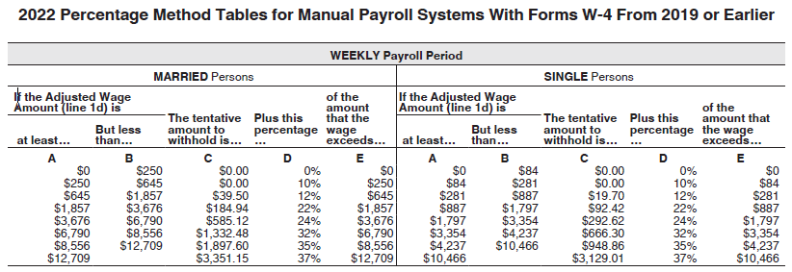

 |  |  |  |  |  | 2025-12-15

W4
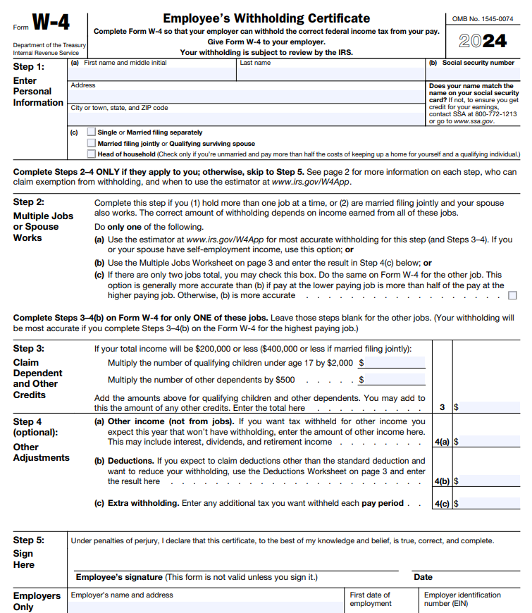

0

% weekly withhold
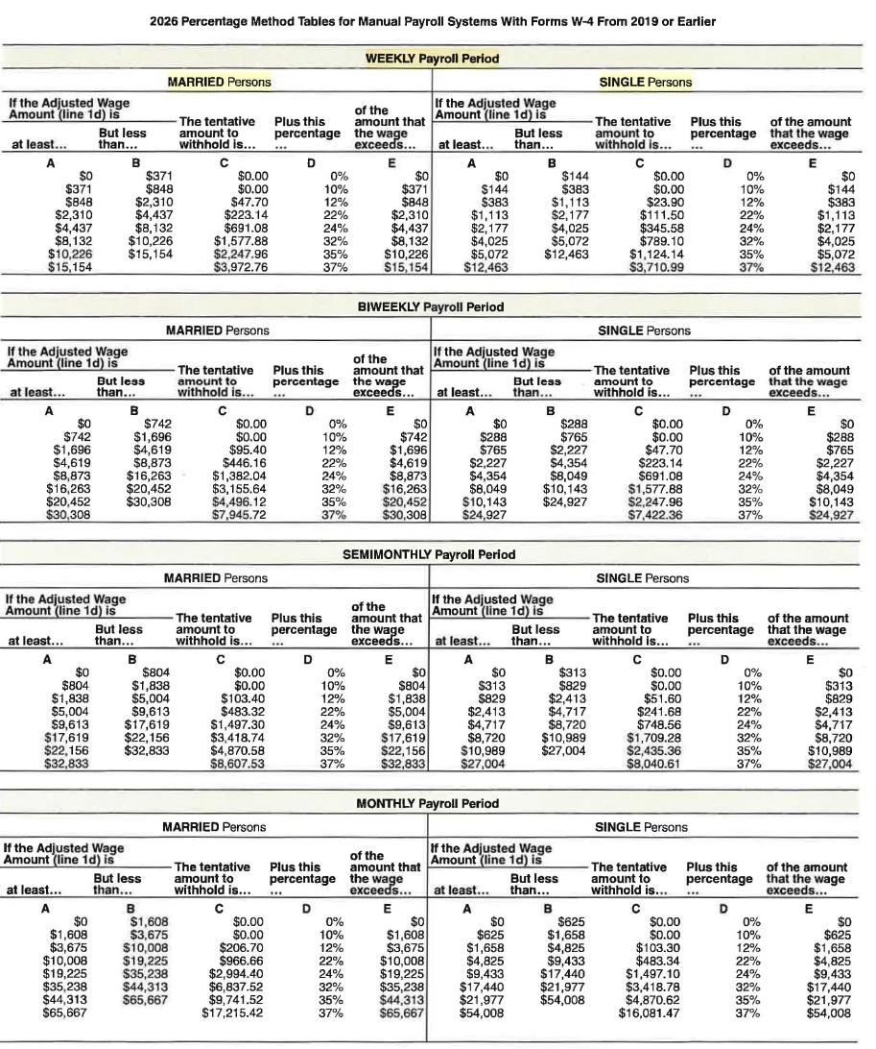

% method
